About
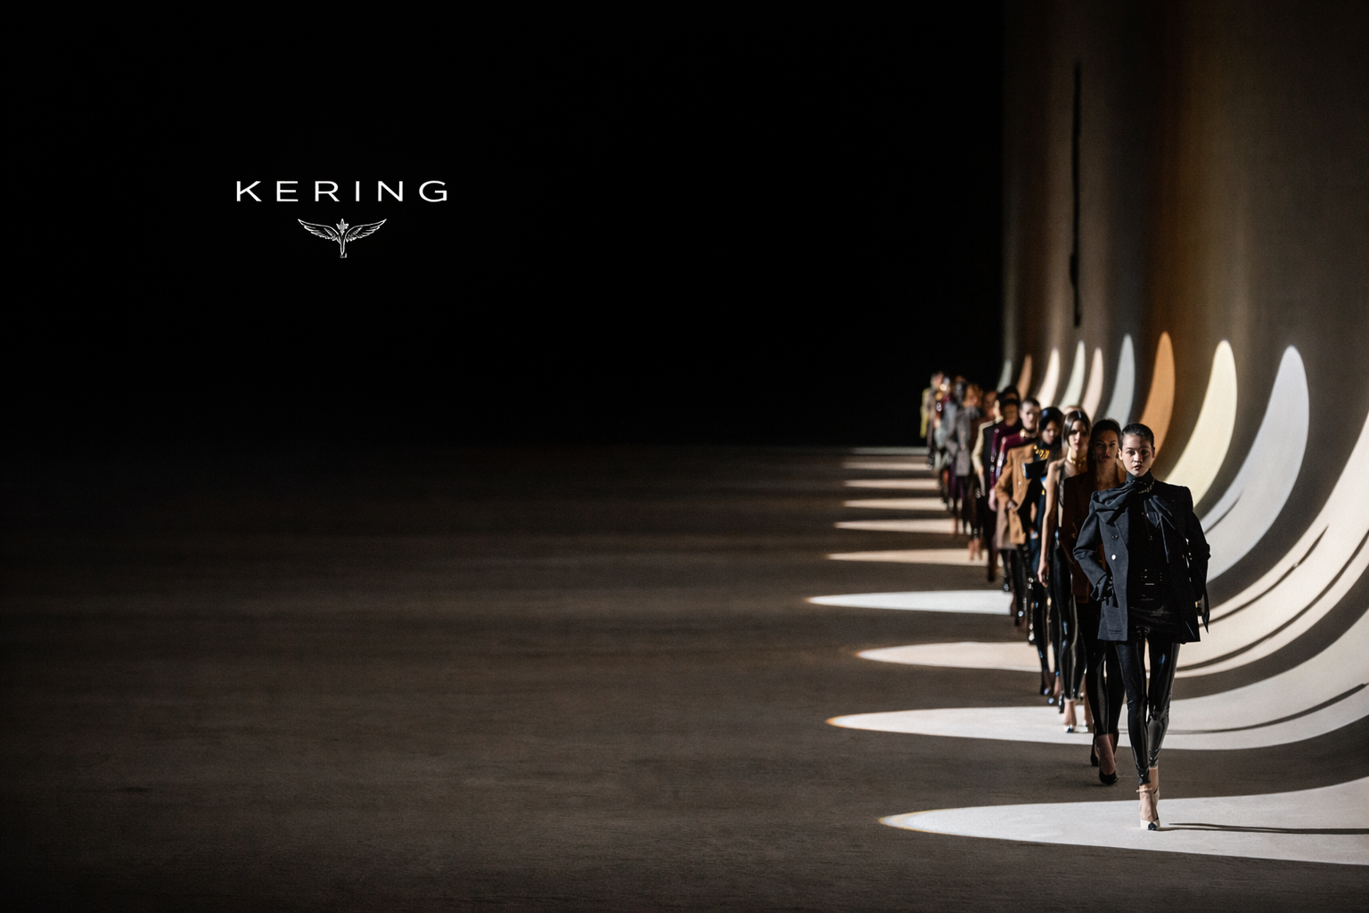
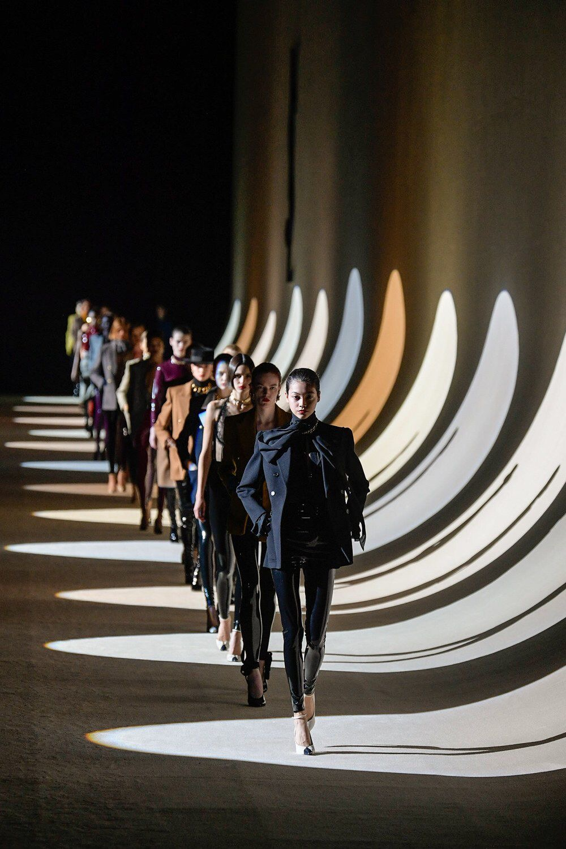

Company: Kering
Context: The global luxury sector has slowed following the post pandemic boom, with weaker demand in China and more cautious spending among aspirational consumers. Industry reporting indicates that Kering has been particularly affected because Gucci has historically generated the largest share of the group’s revenue and operating profit.
1.Problem Statement
Recent industry reports highlight that Gucci’s slowdown has had a significant impact on Kering’s overall financial performance. This raises concerns about the group’s dependence on a single brand and the implications for profitability and financial stability.
2. Core Research Question
To what extent does Gucci’s performance influence Kering’s overall financial performance and profitability?
3. Analytical Objectives
• Analyze Kering’s financial performance using financial statement and ratio analysis.
• Evaluate Gucci’s contribution to Kering’s revenue and operating profitability.
• Examine trends in margins and profitability across the group.
• Develop a simple forecast of Kering’s financial performance using historical financial data.
• Assess the financial implications of Kering’s dependence on Gucci for future performance.

Brand Contribution Analysis
Revenue Share by Brand
(% of Group Revenue) | 2021 | 2022 | 2023 | 2024 | 2025
Gucci share | 55.15% | 51.53% | 50.46% | 45.34% | 40.83%
1. Brand Concentration
. Kering remains highly dependent on Gucci.
• Although its revenue share declined from 55% to 41%, it remains the largest contributor.
Yves Saint Laurent share | 14.29% | 16.22% | 16.25% | 17.07% | 18.01%
Bottega Veneta share | 8.52% | 8.55% | 8.41% | 10.15% | 11.63%
Other houses share | 18.62% | 19.04% | 17.96% | 19.09% | 19.76%
Kering Eyewear & Corporate share | 4.15% | 5.60% | 8.01% | 9.59% | 11.11%

2. Profit Concentration
Gucci continues to generate the majority of group operating income (59%), indicating significant profit concentration.
Operating Income Share by Brand
(% of Group Operating Income) | 2021 | 2022 | 2023 | 2024 | 2025
Gucci operating share | 74.05% | 66.77% | 68.77% | 65.78% | 59.23%
Yves Saint Laurent operating share | 14.25% | 18.23% | 20.42% | 24.30% | 32.43%
Bottega Veneta operating share | 5.70% | 6.55% | 6.57% | 10.45% | 16.37%
Other houses operating share | 9.15% | 9.98% | 4.47% | (0.37%) | (6.87%)
Kering Eyewear & Corporate share | (3.27%) | (1.57%) | (0.15%) | (0.08%) | (1.04%)

4. Earnings Concentration Risk
.
Gucci drives 73% of the operating income decline, highlighting high dependence on a single brand.
Operating Income Decline Attribution
€ millions | 2021 | 2025 | Change | % of total
Gucci operating income | 3,715 | 966 | -2,749 | 73.31%
Non-Gucci | 1,082 | 81 | -1,001 | 26.69%
Kering operating income | 4,797 | 1,047 | -3,750

Operating Margin by Brand
(Operating Margin %) | 2021 | 2022 | 2023 | 2024 | 2025
Gucci margin | 38.18% | 35.59% | 33.06% | 20.98% | 16.12%
3. Margin Deterioration at Gucci
.
Gucci has the highest margins, but its decline from 38% to 16% is driving Kering’s margin drop from 27% to 7%.
Yves Saint Laurent margin | 28.36% | 30.88% | 30.48% | 20.58% | 20.02%
Bottega Veneta margin | 19.03% | 21.03% | 18.97% | 14.89% | 15.65%
Other houses margin | 13.97% | 14.40% | 6.03% | (0.28%) | (3.86%)
Kering operating margin | 27.19% | 26.51% | 23.73% | 13.03% | 7.13%

Financial Trend Analysis
Revenue Trend Comparison |  |  |  |  |  | Operating Income Trend Comparison
 | 2021 | 2022 | 2023 | 2024 | 2025 |  | 2021 | 2022 | 2023 | 2024 | 2025
Kering revenue | €17,645M | €20,351M | €19,566M | €16,874M | €14,675M | Kering operating income | €4,797M | €5,395M | €4,643M | €2,198M | €1,047M
Gucci revenue | €9,731M | €10,487M | €9,873M | €7,650M | €5,992M | Gucci operating income | €3,715M | €3,732M | €3,264M | €1,605M | €966M
Gucci revenue share of Kering | 55.15% | 51.53% | 50.46% | 45.34% | 40.83% | Gucci operating income share | 74.05% | 66.77% | 68.77% | 65.78% | 59.23%

Operating Margin Trend Comparison |  |  |  |  |  | Cost Structure (% of Revenue)
 | 2021 | 2022 | 2023 | 2024 | 2025 |  | 2021 | 2022 | 2023 | 2024 | 2025
Kering operating margin | 27.19% | 26.51% | 23.73% | 13.03% | 7.13% | COGS as % of revenue | 25.94% | 25.32% | 23.71% | 26.55% | 27.36%
Gucci operating margin | 38.18% | 35.59% | 33.06% | 20.98% | 16.12% | Operating expenses as % of revenue | 45.63% | 47.22% | 52.03% | 58.99% | 61.53%

Operating margin declined from 27% to 7%, driven primarily by operating expenses rising from 46% to 62% of revenue.
Gucci’s revenue and margin decline drive the overall deterioration in Kering’s performance.

Returns & Efficiency Analysis
Returns & Efficiency Analysis | 2021 | 2022 | 2023 | 2024 | 2025

1. Profitability Collapse (ROE)
. ROE dropped sharply 26% → 0%, indicating a major deterioration in shareholder returns.
Return on Equity
ROE | 25.24% | 26.43% | 20.42% | 7.52% | 0.49%

2. Profitability Driver (DuPont)
. The ROE decline is driven mainly by falling margins and weaker asset turnover, not leverage.
DuPont Decomposition
Net margin | 18.00% | 17.76% | 15.25% | 6.71% | 0.49%
Asset turnover | 0.60 | 0.63 | 0.52 | 0.40 | 0.35
Equity multiplier | 2.35 | 2.38 | 2.58 | 2.81 | 2.85
ROE check | 25.24% | 26.43% | 20.42% | 7.52% | 0.49%

3. Margin Compression
. Operating margin fell from 27% to 7% as operating expenses increased and revenue weakened.
.
Profitability Drivers
Gross margin | 74.06% | 74.68% | 76.29% | 73.45% | 72.64%
Operating expenses as % of sales | 45.63% | 47.22% | 52.03% | 58.99% | 61.53%
Operating margin | 27.19% | 26.51% | 23.73% | 13.03% | 7.13%
Interest expense as percent of sales | 1.55% | 1.28% | 2.10% | 3.64% | 4.05%
Effective tax rate | 28.29% | 27.65% | 27.47% | 28.72% | 78.15%

4. Return on Invested Capital
ROIC declined from 25% to 1%, reflecting deterioration in operating profitability.
Return on Invested Capital
NOPAT | €3,440M | €3,903M | €3,367M | €1,567M | €229M
Avg. Invested Capital | €14,044M | €15,497M | €20,802M | €25,381M | €24,901M
ROIC | 24.49% | 25.19% | 16.19% | 6.17% | 0.92%

Working Capital Efficiency
Inventory turnover | 1.47 | 1.32 | 1.03 | 1.05 | 1.05
Days inventory outstanding | 247.79 | 277.45 | 354.65 | 347.97 | 348.59
5. Working Capital Inefficiency
Elevated CCC of 190 days signals Kering is funding operations from its own cash, pressuring liquidity.
Receivable days | 20 | 19 | 22 | 23 | 23
Payable days | 129 | 142 | 176 | 175 | 182
Cash conversion cycle | 138.46 | 154.95 | 200.82 | 196.18 | 189.68

Forecast & Scenario Analysis
SALES FORCAST

Forecast Assumption
Forecast Driver | Factual Evidence Considered |  |  |  |  |  | Forecast Assumption Used
Luxury market outlook | Market expected to grow 3% to 5% in 2026 after ending 2025 flat. Long term growth of 4% to 6% annually through 2035 (D'Arpizio et al., 2025, Bain and Altagamma). |  |  |  |  |  | Kering is still recovering in 2026, so it will grow slower than the overall market. By 2027 and 2028, as the turnaround takes hold, growth rates are expected to catch up.
Shrinking customer base | Active luxury customers fell from 400 million in 2022 to 330 million in 2025, returning to 2013 levels. New client acquisition dropped 5% in 2025 (D'Arpizio et al., 2025, Bain and Altagamma). |  |  |  |  |  | Kering cannot rely on attracting new customers to drive growth right now. Every brand needs to win back its existing high spending clients first, which naturally slows down the recovery.
Management guidance | CEO De Meo: "We have seen signs of rebound for nearly all our brands." Return to growth and margin improvement confirmed as 2026 objectives. Full strategy to be presented April 16, 2026 (Abnett, 2026, Business of Fashion). |  |  |  |  |  | Management has publicly committed to returning to growth in 2026. No specific number has been given, so this confirms the direction but sets no hard target.
Store rationalisation | Kering plans to close 100 stores in 2026, mostly Gucci locations in Asia. 75 net closures already completed in 2025 (Abnett, 2026, Business of Fashion; Kering, 2025, Annual Results). |  |  |  |  |  | Closures will suppress 2026 reported revenue even if consumer demand improves. Comparable growth will outpace reported growth.
Gucci decline trajectory | Quarterly comparable decline improved from minus 25% in Q1 to minus 10% in Q4 2025. Wholesale cut intentionally by 34%. Full year minus 19% comparable (Kering, 2025, Annual Results). |  |  |  |  |  | Gucci hit its low point in 2025. A small further decline is expected in 2026 while the transition completes, followed by a meaningful recovery in 2027 once the new creative direction is fully in market.
Gucci creative reset | Demna's full commercial collection launches July 2026. A limited drop in February 2026 was described by the CEO as a signal of "speed and dynamism" (Kering, 2026, press release). |  |  |  |  |  | Demna's full collection only reaches stores in July 2026, giving it roughly half a year to generate sales. The full financial impact will only show up in 2027.
Yves Saint Laurent | Minus 6% comparable in 2025. North America returned to positive in Q3 and Q4. Operating margin held at 20.0%. New CEO Charbit in seat since January 2025 (Kering, 2025, Annual Results). |  |  |  |  |  | YSL has no brand or creative problems. The slowdown was purely driven by weak consumer confidence. As conditions improve, low single digit growth from 2026 is a realistic expectation.
Bottega Veneta | Plus 3% comparable in 2025. North America plus 18%. EBITDA margin expanded to 29.0%. Louise Trotter's debut collections drove strong leather goods and online performance (Kering, 2025, Annual Results). |  |  |  |  |  | Bottega is the strongest performing brand in the portfolio right now. New creative direction, strong sales and expanding margins. Steady growth assumed with no major risks in sight.
Other Houses | Recurring operating loss of €112 million in 2025. Balenciaga and McQueen in active restructuring. Jewellery houses including Boucheron and Qeelin growing. Net 27 store closures in 2025 (Kering, 2025, Annual Results). |  |  |  |  |  | Balenciaga and McQueen are still cutting costs and closing stores while losing money. Jewellery brands are growing but not enough to cover the losses. A return to positive growth is only realistic from 2027.
Kering Eyewear | Plus 3% comparable in 2025 driven by Cartier, Bottega Veneta and Saint Laurent frames. Tariff headwinds and Maui Jim investment flagged as near term constraints (Kering, 2025, Annual Results). |  |  |  |  |  | Eyewear is a strong long term growth business for Kering. Near term growth is capped at 4% to 5% annually due to tariff pressures and ongoing investment in Maui Jim.
China and Asia risk | Asia Pacific fell 15% comparable in 2025. China luxury spending contracted 3% to 5% in 2025 as consumers shifted toward local brands. Asia represents 29% of Kering revenue (D'Arpizio et al., 2025, Bain and Altagamma; Kering, 2025, Annual Results). |  |  |  |  |  | Asia fell 15% in 2025 as Chinese consumers moved away from Western luxury toward local brands. This is not a temporary slowdown, so no meaningful recovery is assumed before 2027.

Forecasting by brand
 | 2021 | 2022 | 2023 | 2024 | 2025 | 2026 Growth Assumption | 2026F | 2027 Growth Assumption | 2027F | 2028 Growth Assumption | 2028F
Gucci | €9,731M | €10,487M | €9,873M | €7,650M | €5,992M | (3.00%) | €5,812M | 3.00% | €5,987M | 5.00% | €6,286M
Yves Saint Laurent | €2,521M | €3,300M | €3,179M | €2,881M | €2,643M | 1.00% | €2,669M | 2.50% | €2,736M | 3.50% | €2,832M
Bottega Veneta | €1,503M | €1,740M | €1,645M | €1,713M | €1,706M | 3.00% | €1,757M | 4.00% | €1,827M | 5.00% | €1,919M
Other Houses | €3,285M | €3,874M | €3,514M | €3,221M | €2,900M | (2.00%) | €2,842M | 1.00% | €2,870M | 2.00% | €2,928M
Kering Eyewear | €733M | €1,139M | €1,568M | €1,618M | €1,631M | 3.00% | €1,680M | 4.00% | €1,747M | 4.00% | €1,817M
Total Kering Revenue | €17,645M | €20,351M | €19,566M | €16,874M | €14,675M | 0.58% | €14,761M | 2.76% | €15,168M | 4.05% | €15,782M
Revenue forecasts are based on historical brand performance, luxury industry growth expectations, and management turnaround strategy announced in 2025.

 | Kering Revenue Forecast
2021 | €17,645M
2022 | €20,351M
2023 | €19,566M
2024 | €16,874M
2025 | €14,675M
2026F | €14,761M
2027F | €15,168M
2028F | €15,782M
Kering Revenue Growth Forecast
 | Kering Revenue Growth Forecast
2021 | 34.69%
2022 | 15.34%
2023 | (3.86%)
2024 | (13.76%)
2025 | (13.03%)
2026F | 0.58%
2027F | 2.76%
2028F | 4.05%

FINANCIAL FORECAST

Income Statement Forecast
(in € millions) | 2021 | 2022 | 2023 | 2024 | 2025 | 2026F | 2027F | 2028F
Revenue | 17,645 | 20,351 | 19,566 | 16,874 | 14,675 | 14,761 | 15,168 | 15,782
Cost of Sales | 4,577 | 5,153 | 4,639 | 4,480 | 4,015 | 3,819 | 3,924 | 4,083
Gross Profit | 13,068 | 15,198 | 14,927 | 12,394 | 10,660 | 10,942 | 11,243 | 11,698
Operating Expenses | 6,374 | 8,051 | 9,609 | 10,181 | 9,954 | 8,490 | 8,724 | 9,077
Operating Income | 4,797 | 5,395 | 4,643 | 2,198 | 1,047 | 2,160 | 2,219 | 2,309
Net Income | 3,176 | 3,614 | 2,983 | 1,133 | 72 | 1,105 | 1,135 | 1,181

Returns Forecast
Returns calculation | 2021 | 2022 | 2023 | 2024 | 2025 | 2026F | 2027F | 2028F
Income Tax Expense | €1,280M | €1,420M | €1,163M | €455M | €354M | €544M | €559M | €581M
Income Before Tax | €4,524M | €5,135M | €4,233M | €1,584M | €453M | €1,678M | €1,725M | €1,794M
Tax rate | 28.29% | 27.65% | 27.47% | 28.72% | 78.15% | 32.40% | 32.40% | 32.40%
NOPAT | €3,440M | €3,903M | €3,367M | €1,567M | €229M | €1,460M | €1,500M | €1,561M
TATR | 59.74% | 62.61% | 51.96% | 39.84% | 34.72% | 34.72% | 34.72% | 34.72%
Total Assets | €31,068M | €33,941M | €41,367M | €43,346M | €41,182M | €43,840M | €43,526M | €47,375M
Equity attributed to the group | €13,347M | €13,998M | €15,212M | €14,904M | €14,706M | €15,617M | €15,505M | €16,876M
Total Equity | €13,736M | €14,783M | €16,010M | €15,730M | €15,515M | €16,464M | €16,346M | €17,792M
Borrowings | €5,418M | €6,642M | €12,426M | €14,035M | €12,352M | €13,504M | €13,408M | €14,593M
Cash | €5,249M | €4,336M | €3,922M | €3,518M | €4,313M | €4,102M | €4,073M | €4,433M
Avg. Invested capital | €14,044M | €15,497M | €20,802M | €25,381M | €24,901M | €24,710M | €25,774M | €26,817M
ROE | 25.24% | 26.43% | 20.42% | 7.52% | 0.49% | 7.29% | 7.29% | 7.29%
ROIC | 24.49% | 25.19% | 16.19% | 6.17% | 0.92% | 5.91% | 5.82% | 5.82%

Assumptions Summary
• Gucci revenue declines in 2026, stabilizes in 2027, and recovers in 2028
• Other brands grow at low to mid single digit rates
• Income statement is forecast using common size percentages based on recent historical averages
• Total assets are projected based on revenue, and balance sheet items are derived using common size relationships
• No explicit changes are made to individual cost or balance sheet line items
Model Limitations
• The model does not explicitly capture margin improvements from restructuring or cost optimization initiatives
• Strategic and qualitative factors are not directly translated into financial line item changes
• Forecast outcomes are primarily driven by revenue assumptions, with limited flexibility in cost structure and asset efficiency

SCENARIO ANALYSIS

Gucci's Impact
(in € millions) | 2026F | 2027F | 2028F
Gucci's Revenue | 6,112 | 6,601 | 7,261
Revenue | 15,060 | 15,782 | 16,756
Operating Income | 2,203 | 2,309 | 2,451
Net Income | 1,127 | 1,181 | 1,254

Choose Senario -> | 1

Gucci's Revenue Growth
1. Best Case | 2.00% | 8.00% | 10.00%
2. Base Case | (3.00%) | 3.00% | 5.00%
3.Worst Case | (12.00%) | (3.00%) | 1.00%

Core Findings
Kering S.A. - Financial Analysis Conclusion
Research question: To what extent does Gucci's performance influence Kering's overall financial performance and profitability?

Revenue 2025
€14.7B
▼ 27.9% from €20.3B in 2022
Operating margin 2025
7.1%
▼ 20.1pp from 27.2% in 2021
Gucci share of op. profit 2025
59%
▼ 15pp from 74% in 2021
Net income 2025
€72M
▼ 97.7% from €3.6B in 2022

1. Decline in Group Financial Performance

 | Kering revenue | Kering operating income
2021 | €17,645M | €4,797M
2022 | €20,351M | €5,395M
2023 | €19,566M | €4,643M
2024 | €16,874M | €2,198M
2025 | €14,675M | €1,047M
Gross margins stayed stable, so the decline in operating income is due to higher operating costs, not pricing or cost of goods.
 | Gross Margin | Operating Expense
2021 | 74.06% | 45.63%
2022 | 74.68% | 47.22%
2023 | 76.29% | 52.03%
2024 | 73.45% | 58.99%
2025 | 72.64% | 61.53%

2. High Dependence on Gucci
Operating Income Change - 2021-2025
 | Kering operating income | Gucci operating income | Non-Gucci
€ millions | -3,750 | -2,749 | -1,001
Gucci operating income
Non-Gucci
Kering operating income
Operating Income Share by Brand - Year 2025
Gucci operating share | 59.23%
Yves Saint Laurent operating share | 32.43%
Bottega Veneta operating share | 16.37%
Other houses operating share | (6.87%)
Kering Eyewear & Corporate share | (1.04%)

73%

 | Gucci Drove 73% of the €3,7500M Profit Collapse of Kering

3. Gucci Driving Group Margin Decline

 | Kering operating margin | Gucci operating margin
2021 | 27.19% | 38.18%
2022 | 26.51% | 35.59%
2023 | 23.73% | 33.06%
2024 | 13.03% | 20.98%
2025 | 7.13% | 16.12%

4. Deterioration in Profitability and Returns

ROE and ROIC - both near zero by 2025
 | ROE | ROIC
2021 | 25.24% | 24.49%
2022 | 26.43% | 25.19%
2023 | 20.42% | 16.19%
2024 | 7.52% | 6.17%
2025 | 0.49% | 0.92%
 |  | Decline in Returns Driven by Margin Compression

 |  |  | 2021 | 2025
 |  | Net margin | 18.00% | 0.49%
 |  | Asset turnover | 0.60 | 0.35
 |  | Equity multiplier | 2.35 | 2.85

5. Outlook Driven by Gucci’s Recovery

Group operating income - best case vs worst case (the gap is the Gucci risk)
 | Best Case | Worst Case | Base Case
2025A | 1,047 | 1,047 | 1,047
2026F | 2,203 | 2,081 | 2,160
2027F | 2,309 | 2,092 | 2,219
2028F | 2,451 | 2,145 | 2,309

€306M gap

 |  |  |  |  | Gucci risk

Strategic Conclusions
✓ | FINAL INTERPRETATION | WHAT SHOULD MANAGEMENT DO?

To what extent does Gucci’s performance influence Kering’s overall financial performance and profitability?
Gucci is the primary driver of Kering’s financial performance. In 2021, Gucci generated approximately 74% of group operating profit while contributing 55% of revenue. Between 2021 and 2025, Gucci’s operating margin declined from 38.2% to 16.1%, accounting for around 73% of the €3,750M decline in group operating income.
Over the same period, group revenue declined by 16.8%, net income fell from €3.2B to €72M, and ROE decreased from 25.2% to 0.49%. Other brands remained relatively stable but were insufficient to offset Gucci’s decline. As a result, Kering’s financial performance is highly dependent on a single brand.
01 Restore Gucci’s operating performance
Restore operating margin to above 25% through revenue stabilisation and cost discipline.
02 Address underperforming brands
Set clear performance thresholds for loss-making brands. Pursue restructuring or divestment where targets are not met.

03 Strengthen contribution from other brands
Continue investing in YSL and Bottega Veneta to build more balanced profit contribution and reduce concentration risk over time.
04 Maintain financial discipline
Prioritise cost control, cash generation, and debt reduction. Limit discretionary investment until earnings stabilise.

IMPLICATIONS
• The decline is not driven by pricing pressure, as gross margins remained stable at 72–76%. Instead, it
reflects a structural dependence on Gucci.
• Kering’s earnings are highly concentrated, meaning changes in Gucci’s performance translate directly into group outcomes. This increases exposure to brand-specific risks, including creative transitions, shifts in consumer demand, and macroeconomic conditions.
• Forecast outcomes show that recovery remains highly sensitive to Gucci’s trajectory. As long as Gucci contributes the majority of operating profit, group performance will remain dependent on its recovery path.

VERDICT
Kering’s recent performance reflects a high level of dependence on Gucci. Recovery is achievable but depends on Gucci’s successful repositioning and a gradual rebalancing of the brand portfolio to reduce concentration risk.

